Defect Log
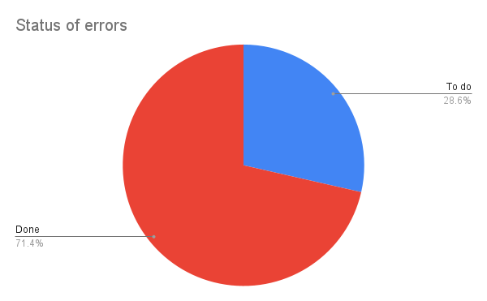
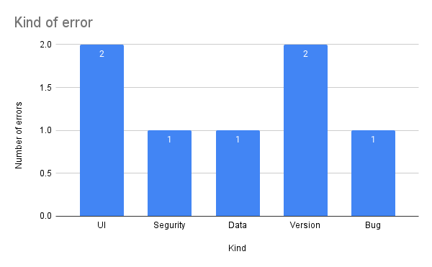
ID | Defect name | Cost in minutes | Severity | Injection fase | Detection fase | Kind | Status |  | Injection | Detection
1 | Comments in Spanish | 20 | Cosmetic | Implementation | Test | UI | To do | Analisi | 0 | 0
2 | Connection failure with the database | 160 | Urgent | Analisis | Implementation | Segurity | Done | Design | 3 | 0
3 | Database outage | 120 | Emergency | Design | Implementation | Data | Done
4 | Outdated version for creating React application | 60 | Urgent | Design | Implementation | Version | Done | Implementation | 2 | 5
5 | Failed connection with Auth0 | 240 | Necessary | Analisis | Implementation | Version | Done | Test | 0 | 2
Injection y Detection
 | Injection | Detection
6 | Failures with React context for product and admin user hooks | 60 | Necessary | Design | Implementation | Bug | Done | Production | 0 | 0
7 | Lack of more comments to the code | 30 | Cosmetic | Implementation | Test | UI | To do
8

